Tan_Layout (2)
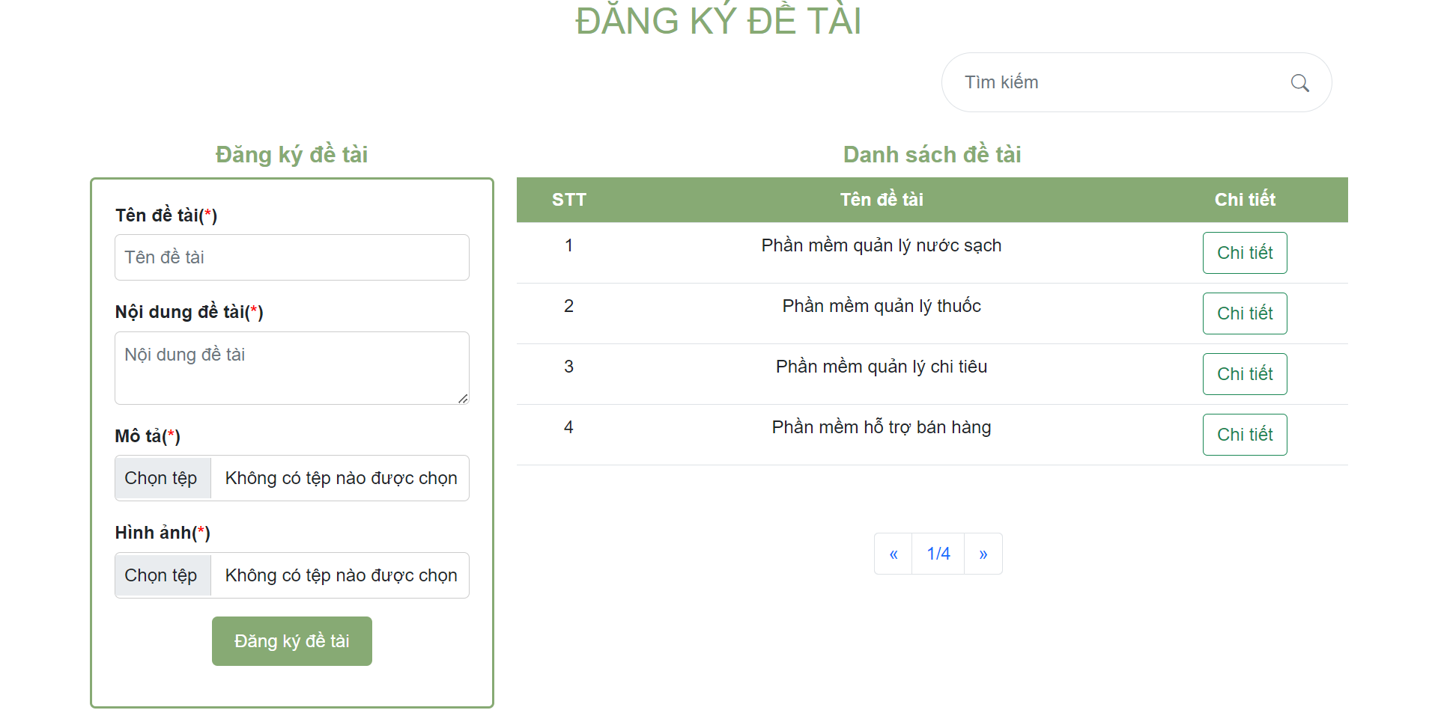
 | 6.9.1 Mà hình đăng ký nhóm sinh viên
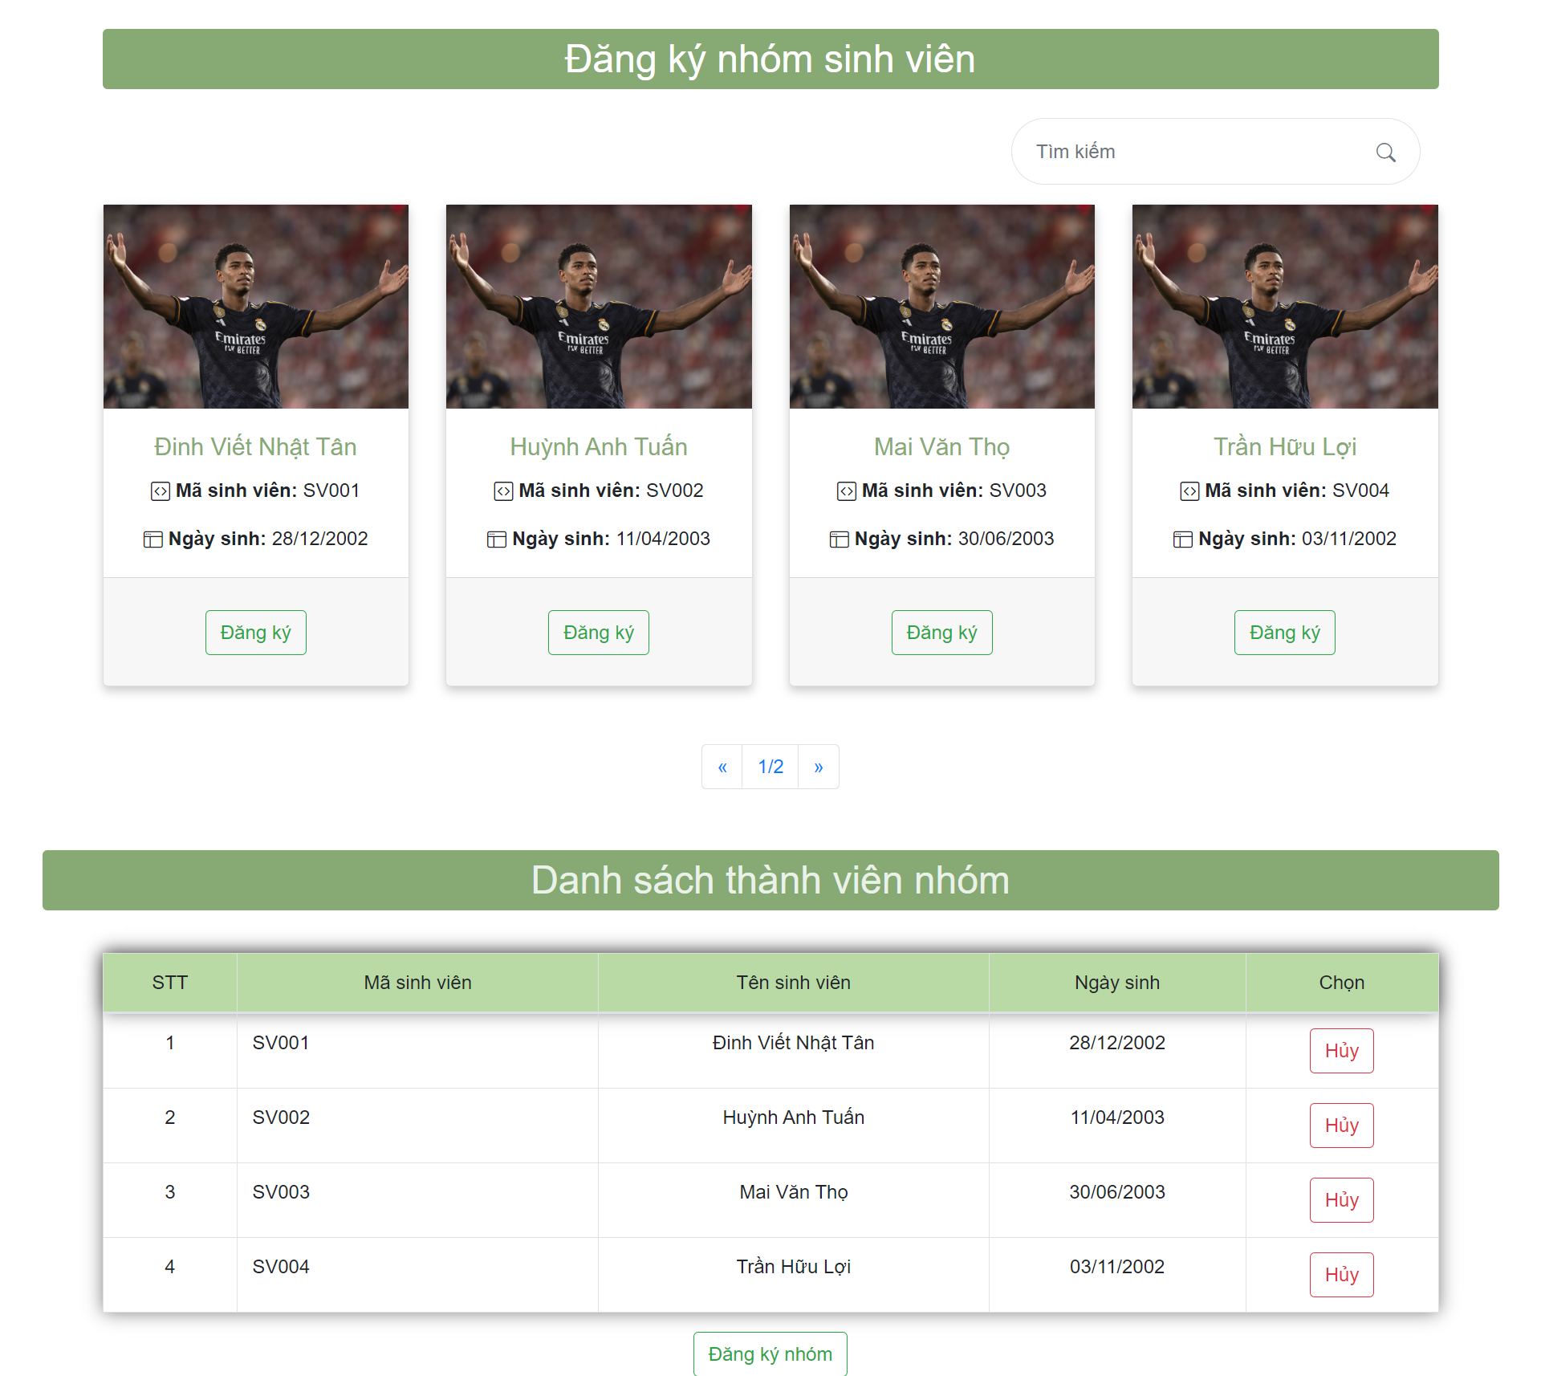

6.9.2: Đăng ký đề tài

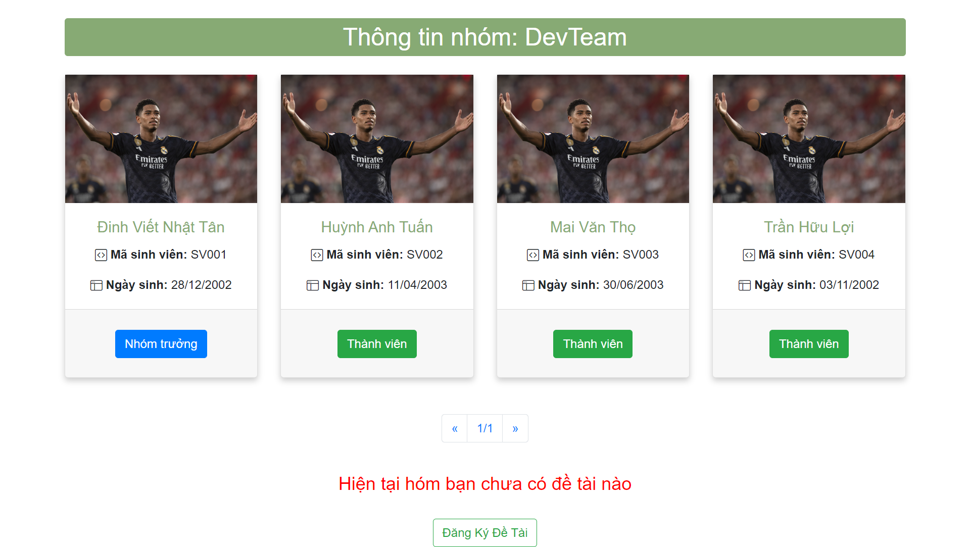

*Giao diện sau khi bấm nút đăng ký nhóm

